Example 1
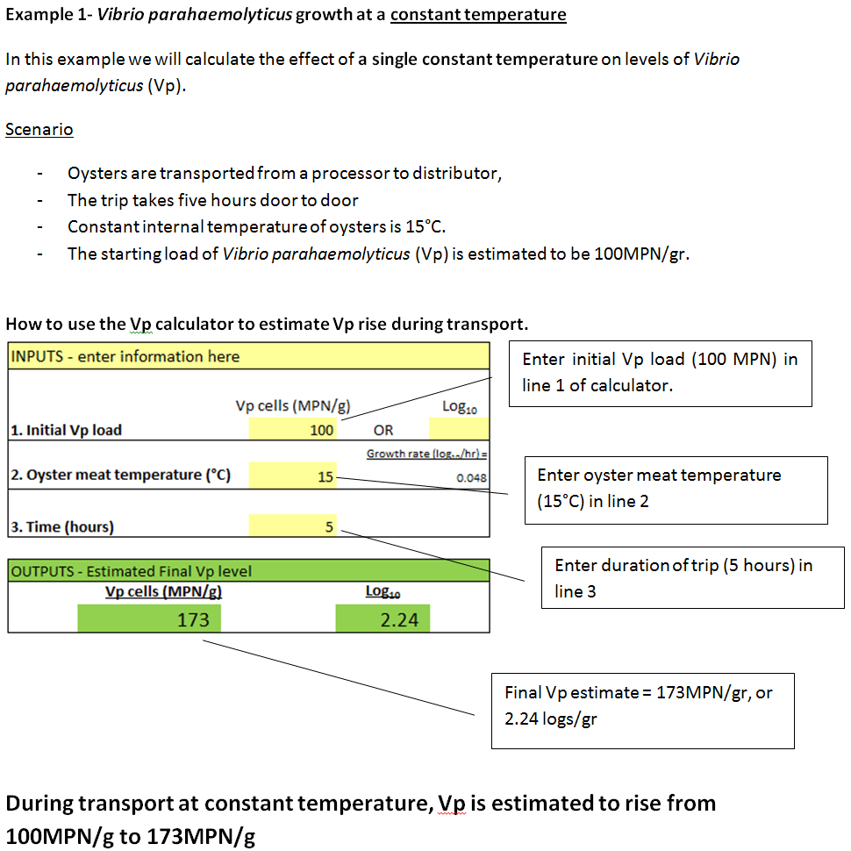
BC CENTRE FOR DISEASE CONTROL - FOR RESEARCH PURPOSES ONLY

Example 2
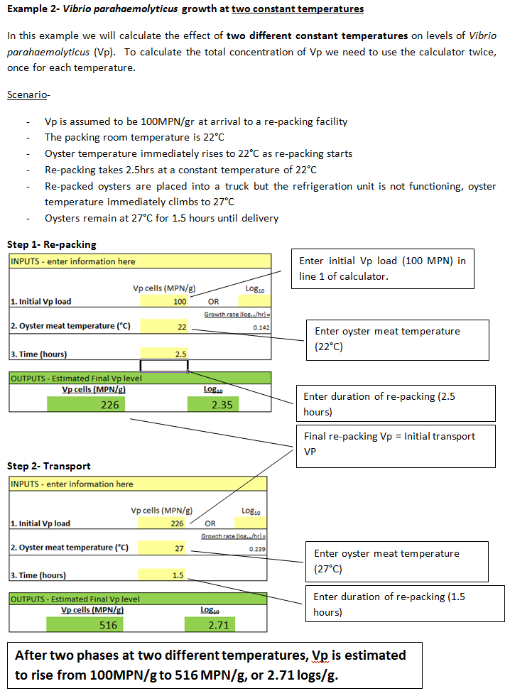
BC CENTRE FOR DISEASE CONTROL - FOR RESEARCH PURPOSES ONLY

Example 3
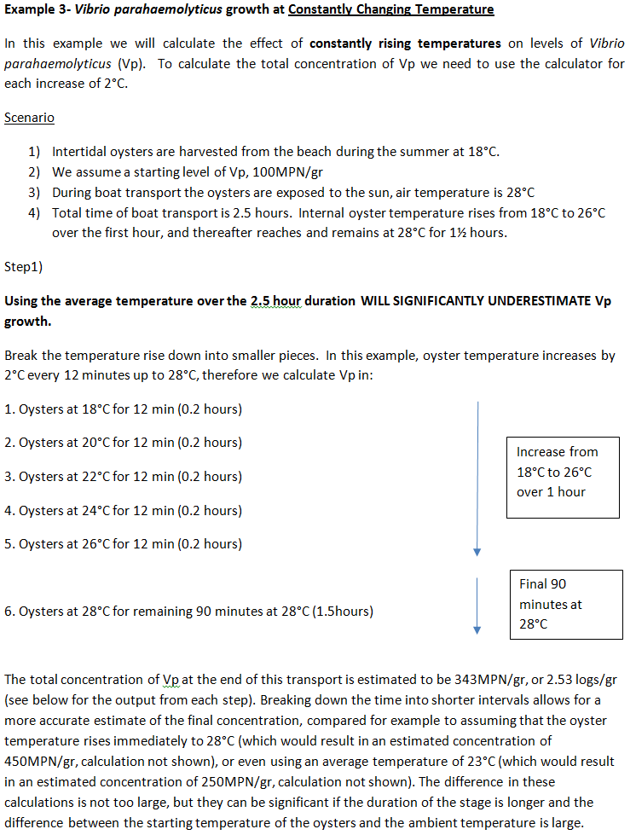
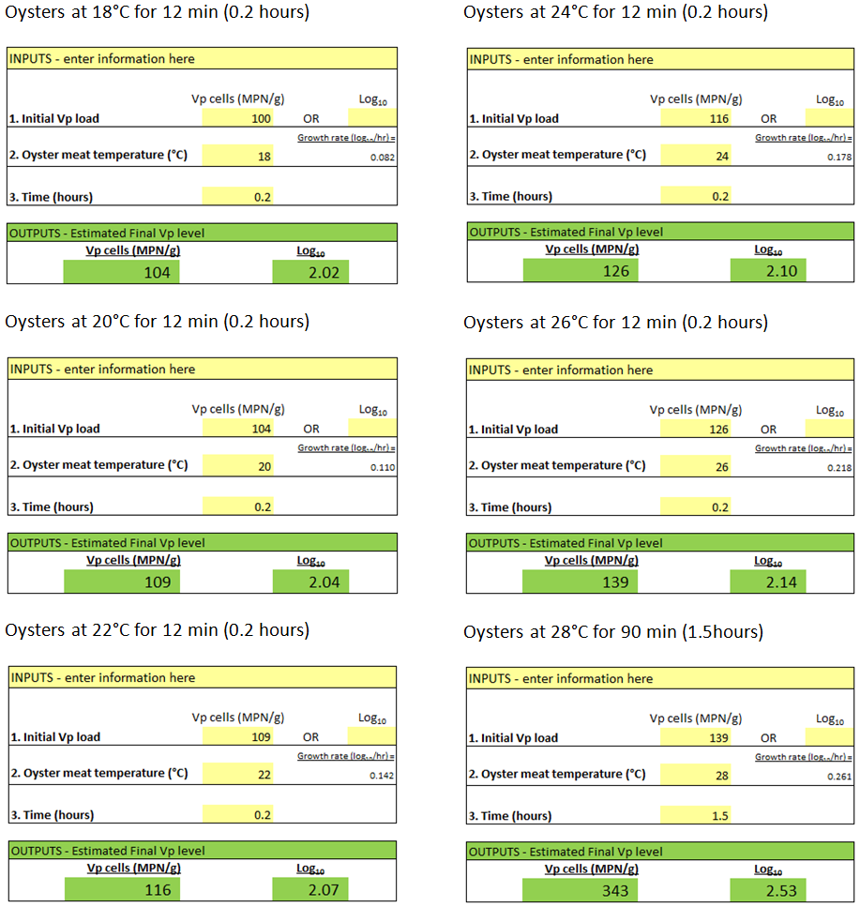
BC CENTRE FOR DISEASE CONTROL - FOR RESEARCH PURPOSES ONLY

