ABC cluster (n=8)
Case # | Location/Work area | Job Title | Company | Identified close contact? | 1-Nov-20 | 2-Nov-20 | 3-Nov-20 | 4-Nov-20 | 5-Nov-20 | 6-Nov-20 | 7-Nov-20 | 8-Nov-20 | 9-Nov-20 | 10-Nov-20 | 11-Nov-20 | 12-Nov-20 | 13-Nov-20 | 14-Nov-20 | 15-Nov-20 | 16-Nov-20 | 17-Nov-20 | 18-Nov-20 | 19-Nov-20 | 20-Nov-20 | 21-Nov-20 | 22-Nov-20 | 23-Nov-20 | 24-Nov-20 | 25-Nov-20 | 26-Nov-20 | 27-Nov-20 | 28-Nov-20 | 29-Nov-20 | 30-Nov-20 | 1-Dec-20 | 2-Dec-20 | 3-Dec-20 | 4-Dec-20 | 5-Dec-20 | 6-Dec-20

 |  |  | ABC |  |  |  |  |  |  |  |  |  |  |  | A |  |  |  |  |  |  | L | I | aSx
 |  |  | ABC |  |  |  |  | A |  |  |  |  |  |  |  |  |  |  |  |  |  | L | SxI
 |  |  | ABC |  |  |  |  |  |  |  |  |  |  |  | A |  |  |  |  |  |  | L |  | SxI
 |  |  | ABC |  |  |  |  |  |  |  |  |  |  |  | A |  |  |  |  |  |  | L |  | Sx |  | I
 |  |  | ABC |  |  |  |  |  |  |  |  |  |  |  | A |  |  |  |  |  |  |  |  |  |  | SxI
 |  |  | ABC |  |  |  |  |  |  |  |  |  |  |  | A |  |  |  |  |  |  |  |  |  |  |  |  |  | L | Sx | I
 |  |  | ABC |  |  |  |  |  |  |  |  |  |  |  | A |  |  |  |  |  |  |  |  |  |  |  |  |  | L |  |  |  |  | aSx
 |  |  | ABC |  |  |  |  |  |  |  |  |  |  |  |  |  |  |  |  |  |  |  |  |  |  |  |  |  | L |  |  |  |  |  |  | A | I | aSx
BG |  |  | Triton |  |  |  |  |  |  |  |  |  |  |  |  |  |  | SxI |  |  |  |  |  |  |  |  |  |  |  |  |  |  | RW

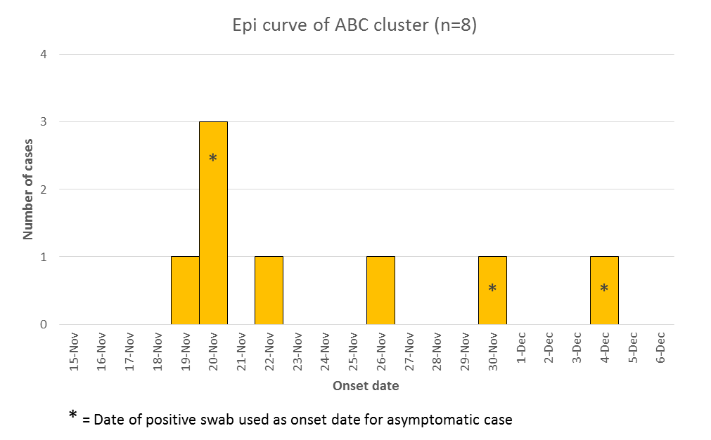
LEGEND
A | Arrived on site
L | Left site
 | Communicable while on site
Sx | Sx Onset
I | Isolation
SxI | Sx Onset + Isolation
aSx | Asymptomatic (positive swab date)

Source: BC Centre for Disease Control (BCCDC) Provincial Health Services Authority (PHSA)
Version: Feb 25, 2021

